SUC
State Universities and Colleges
HEI | Program Name | Major
Basilan State College | Bachelor of Arts in English
Basilan State College | Bachelor of Arts in English Language Studies
Basilan State College | Bachelor of Arts in Islamic Studies
Basilan State College | Bachelor of Arts in Political Science
Basilan State College | Bachelor of Early Childhood Education
Basilan State College | Bachelor of Public Administration
Basilan State College | Bachelor of Science in Agriculture
Basilan State College | Bachelor of Science in Computer Science
Basilan State College | Bachelor of Science in Criminology
Basilan State College | Bachelor of Science in Hospitality Management
Basilan State College | Bachelor of Science in Nursing
Basilan State College | Bachelor of Science in Nutrition and Dietetics
Basilan State College | Bachelor of Science in Secondary Education | Science
Basilan State College | Bachelor of Science in Secondary Education | English
Basilan State College | Bachelor of Science in Secondary Education | Filipino
Basilan State College | Bachelor of Science in Secondary Education | Math
Basilan State College | Bachelor of Science in Social Studies
Basilan State College | Bachelor of Science in Social Work
Basilan State College | General Education
J.H. Cerilles State College - Mati | Bachelor of Science in Entrepreneurship
J.H. Cerilles State College - Mati | Bachelor in Industrial Technology | Architechtural Drafting
J.H. Cerilles State College - Mati | Bachelor of Agriculture
J.H. Cerilles State College - Mati | Bachelor of Arts
J.H. Cerilles State College - Mati | Bachelor of Arts in English Language Studies
J.H. Cerilles State College - Mati | Bachelor of Arts in Political science
J.H. Cerilles State College - Mati | Bachelor of Elementary Education
J.H. Cerilles State College - Mati | Bachelor of Science in Civil Engineer | issued March 10, 2025 Authenticity confirmed by Dioven Lusaya via email of Glory Miguel
J.H. Cerilles State College - Mati | Bachelor of Science in Environmental science
J.H. Cerilles State College - Mati | Bachelor of Science in Forestry
J.H. Cerilles State College - Mati | Bachelor of Science in Forestry
J.H. Cerilles State College - Mati | Bachelor of Science in Hospitality Management
J.H. Cerilles State College - Mati | Bachelor of Science in Information Technology
J.H. Cerilles State College - Mati | Bachelor of Science in Information Technology
J.H. Cerilles State College - Mati | Bachelor Of Science In Mathematics
J.H. Cerilles State College - Mati | Bachelor of Science in Social Work
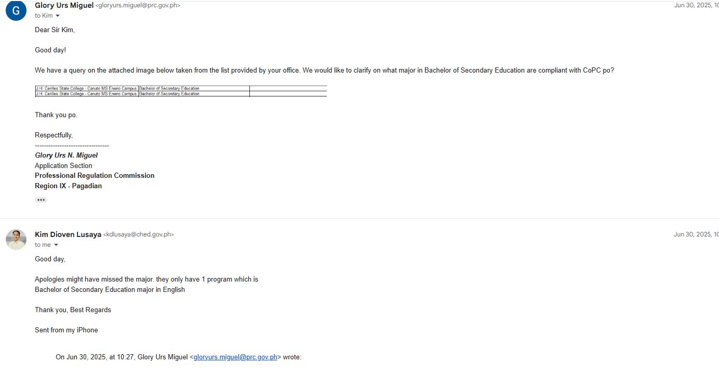
J.H. Cerilles State College - Mati | Bachelor of Science in Social Work- Level 1
J.H. Cerilles State College - Mati | Bachelor of Secondary Education | Science
J.H. Cerilles State College - Mati | Bachelor of Secondary Education | Mathematics
J.H. Cerilles State College - Mati | Bachelor of Secondary Education | English
J.H. Cerilles State College - Mati | Bachelor of Secondary Education | Filipino
J.H. Cerilles State College - Canuto MS Enerio Campus | Bachelor in Industrial Technology | Architechtural Drafting
J.H. Cerilles State College - Canuto MS Enerio Campus | Bachelor of Agriculture
J.H. Cerilles State College - Canuto MS Enerio Campus | Bachelor of Agriculture
J.H. Cerilles State College - Canuto MS Enerio Campus | Bachelor of Arts in English Language Studies
J.H. Cerilles State College - Canuto MS Enerio Campus | Bachelor of Arts in Political science
J.H. Cerilles State College - Canuto MS Enerio Campus | Bachelor of Elementary Education
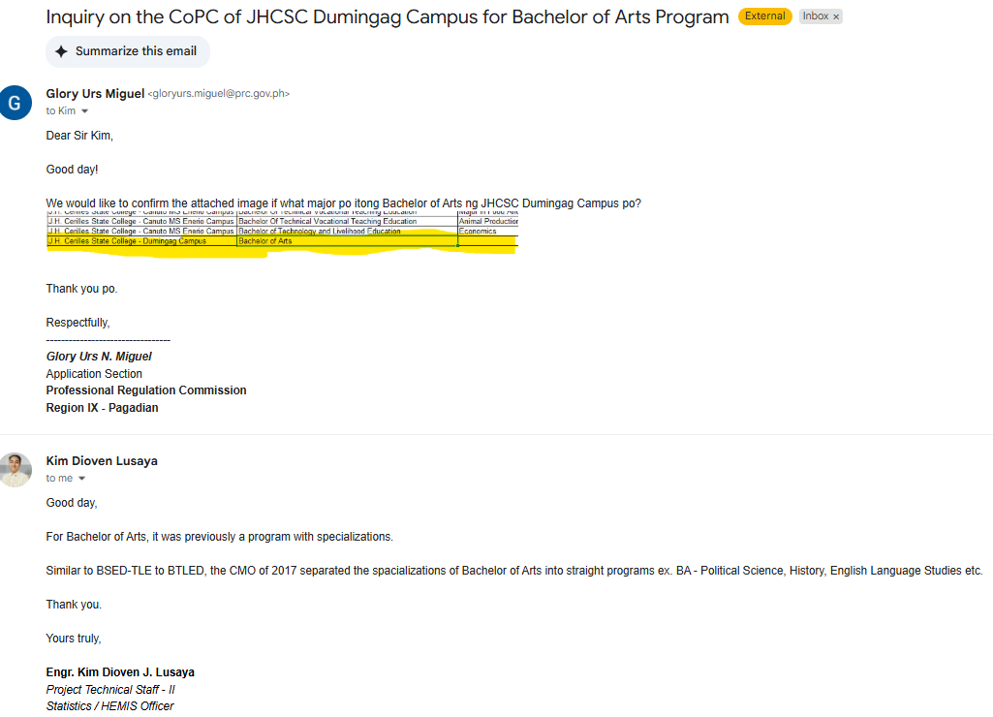
J.H. Cerilles State College - Canuto MS Enerio Campus | Bachelor of Elementary Education
J.H. Cerilles State College - Canuto MS Enerio Campus | Bachelor of Physical education
J.H. Cerilles State College - Canuto MS Enerio Campus | Bachelor of Science in Criminology
J.H. Cerilles State College - Canuto MS Enerio Campus | Bachelor of Science in Environmental science
J.H. Cerilles State College - Canuto MS Enerio Campus | Bachelor of Science in Forestry
J.H. Cerilles State College - Canuto MS Enerio Campus | Bachelor of Science in Hospitality Management
J.H. Cerilles State College - Canuto MS Enerio Campus | Bachelor of Science in Industrial Security Management
J.H. Cerilles State College - Canuto MS Enerio Campus | Bachelor of Science in Information Technology
J.H. Cerilles State College - Canuto MS Enerio Campus | Bachelor of Science in Information Technology
J.H. Cerilles State College - Canuto MS Enerio Campus | Bachelor Of Science In Mathematics
J.H. Cerilles State College - Canuto MS Enerio Campus | Bachelor of Science in Social Work
J.H. Cerilles State College - Canuto MS Enerio Campus | Bachelor of Secondary Education | Major in English (Confirmed by Mr. Kim Dioven Lusaya via email of Glory Miguel on 06/30/25)
J.H. Cerilles State College - Canuto MS Enerio Campus | Bachelor Of Technical Vocational Teaching Education | Major In Food And Service Management
J.H. Cerilles State College - Canuto MS Enerio Campus | Bachelor Of Technical Vocational Teaching Education | Animal Production
Old curriculum with specializations. Can be used by graduates of BAELS, BA Pol. Science, BA History
J.H. Cerilles State College - Canuto MS Enerio Campus | Bachelor of Technology and Livelihood Education | Economics
J.H. Cerilles State College - Dumingag Campus | Bachelor of Arts
J.H. Cerilles State College - Dumingag Campus | Bachelor of Science in Criminology | Authenticity Confirmed by Mr. Kim Dioven Lusaya on 04/24/25 via email of Glory
J.H. Cerilles State College - Dumingag Campus | Bachelor in Elementary Education | Authenticity Confirmed by Mr. Kim Dioven Lusaya on 06/24/25 via email of Glory
J.H. Cerilles State College - Dumingag Campus | Bachelor of Science in Agriculture | Authenticity Confirmed by Mr. Kim Dioven Lusaya on 08/05/25 via email of Glory
J.H. Cerilles State College - Dumingag Campus | Bachelor of Science Physical Education
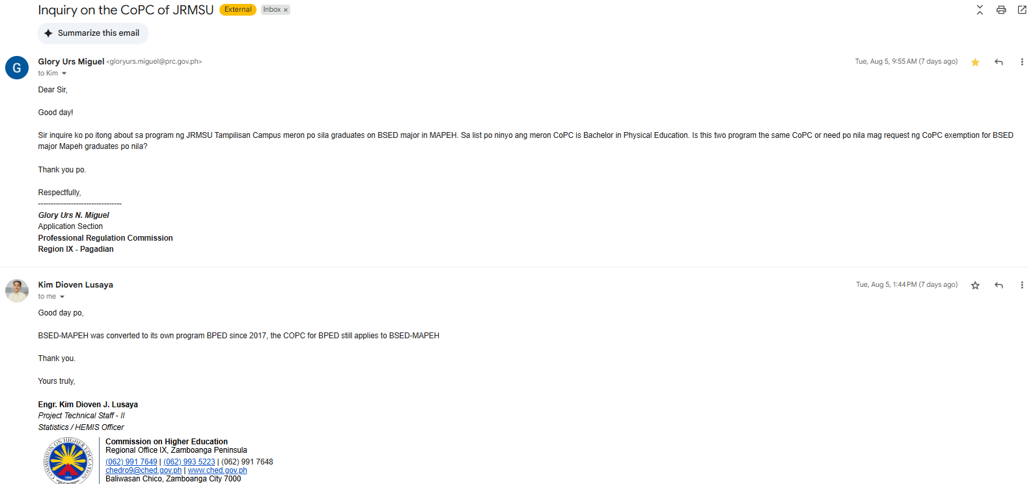
J.H. Cerilles State College - Dumingag Campus | Bachelor of Science in Forestry
J.H. Cerilles State College - Dumingag Campus | Bachelor of Science in Industrial Security Management
J.H. Cerilles State College - Dumingag Campus | Bachelor of Science in Information Technology
J.H. Cerilles State College - Dumingag Campus | Bachelor of Science in Social Work
J.H. Cerilles State College - Dumingag Campus | Bachelor of Secondary Education | Mathematics
J.H. Cerilles State College - Dumingag Campus | Bachelor of Secondary Education | English
Jose Rizal Memorial State University | Bachelor of Arts in English Language Studies
Jose Rizal Memorial State University | Bachelor of Arts in Political Science
Jose Rizal Memorial State University | Bachelor of Culture and Arts Education
Jose Rizal Memorial State University | Bachelor of Early Childhood Education
can be use by graduates of BSED major MAPEH
Jose Rizal Memorial State University | Bachelor of Elementary Education
Jose Rizal Memorial State University | Bachelor of Physical Education
Jose Rizal Memorial State University | Bachelor of Public Administation
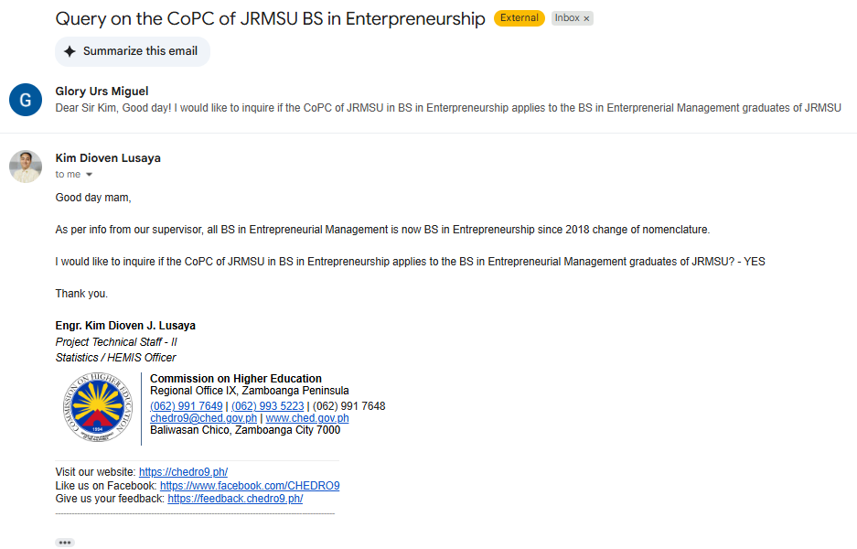
Jose Rizal Memorial State University | Bachelor of Science in Accountancy
Jose Rizal Memorial State University | Bachelor of Science in Accounting Technology | Authenticity Confirmed by Mr. Kim Dioven Lusaya on 07/16/25 via email of Glory
Jose Rizal Memorial State University | Bachelor of Science in Accounting Information Systems
Jose Rizal Memorial State University | Bachelor of Science in Business Administration | Financial Management
Jose Rizal Memorial State University | Bachelor of Science in Business Administration | Marketing Management
Jose Rizal Memorial State University | Bachelor of Science in Civil Engineering | Structural Engineering
Jose Rizal Memorial State University | Bachelor of Science in Computer Engineering
Jose Rizal Memorial State University | Bachelor of Science in Computer Science
can be use by graduates of BS in Entreprenuerial Management
Jose Rizal Memorial State University | Bachelor of Science in Criminology
Jose Rizal Memorial State University | Bachelor of Science in Electrical Engineering
Jose Rizal Memorial State University | Bachelor of Science in Electronics Engineering
can be use by graduates of BS in Hotel and Restaurant Mgt.
Jose Rizal Memorial State University | Bachelor of Science in Entrepreneurship
Jose Rizal Memorial State University | Bachelor of Science in Hospitality Management
Jose Rizal Memorial State University | Bachelor of Science in Industrial Technology | Mechanical Technology, Automotive Tech., Refrigeration & Air-conditioning Tech., Industrial graphics Tech., Electrical Tech., Electronics Technology | Authenticity Confirmed by Mr. Kim Dioven Lusaya on 08/08/25 via email of Glory
Jose Rizal Memorial State University | Bachelor of Science in Information Systems
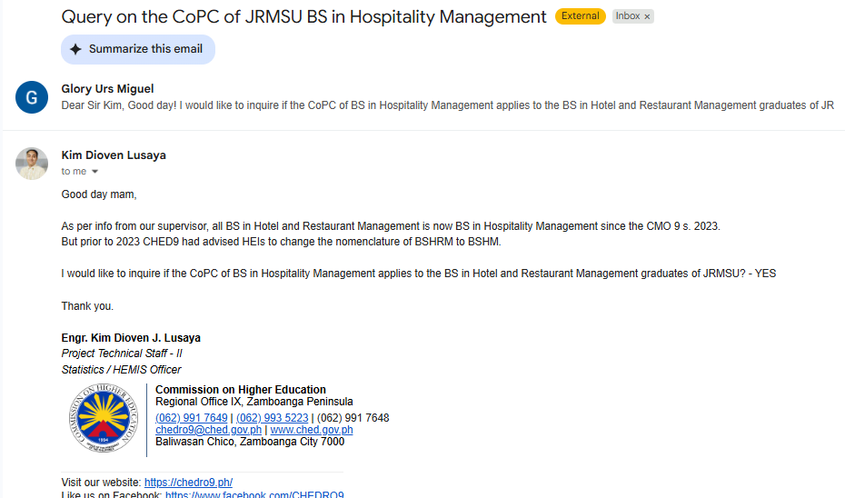
Jose Rizal Memorial State University | Bachelor of Science in Internal Auditing
Jose Rizal Memorial State University | Bachelor of Science in Management Accounting
Jose Rizal Memorial State University | Bachelor of Science in Marine Biology
Jose Rizal Memorial State University | Bachelor of Science in Marine Engineering
Jose Rizal Memorial State University | Bachelor of Science in Marine Transportation
Jose Rizal Memorial State University | Bachelor of Science in Midwifery
Jose Rizal Memorial State University | Bachelor of Science in Nursing
Jose Rizal Memorial State University | Bachelor of Science in Tourism Management
Jose Rizal Memorial State University | Bachelor of Secondary Education | English
Jose Rizal Memorial State University | Bachelor of Secondary Education | Filipino
Jose Rizal Memorial State University | Bachelor of Secondary Education | Mathematics
Jose Rizal Memorial State University | Bachelor of Secondary Education | Social Studies
Jose Rizal Memorial State University | Bachelor of Secondary Education | Science
Jose Rizal Memorial State University | Bachelor of Secondary Education | English
Jose Rizal Memorial State University | Bachelor of Secondary Education | Filipino
Jose Rizal Memorial State University | Bachelor of Secondary Education | Mathematics
Jose Rizal Memorial State University | Bachelor of Secondary Education | Social Studies
Jose Rizal Memorial State University | Bachelor of Secondary Education | Social Studies
Jose Rizal Memorial State University - Dipolog Campus | Bachelor of Arts in Journalism
Jose Rizal Memorial State University - Dipolog Campus | Bachelor of Arts in Political Science
Jose Rizal Memorial State University - Dipolog Campus | Bachelor of Arts in Mass Communication | Authenticity Confirmed by Mr. Kim Dioven Lusaya on 08/05/25 via email of Glory
Jose Rizal Memorial State University - Dipolog Campus | Bachelor of Culture and Arts Education
Jose Rizal Memorial State University - Dipolog Campus | Bachelor of Elementary Education
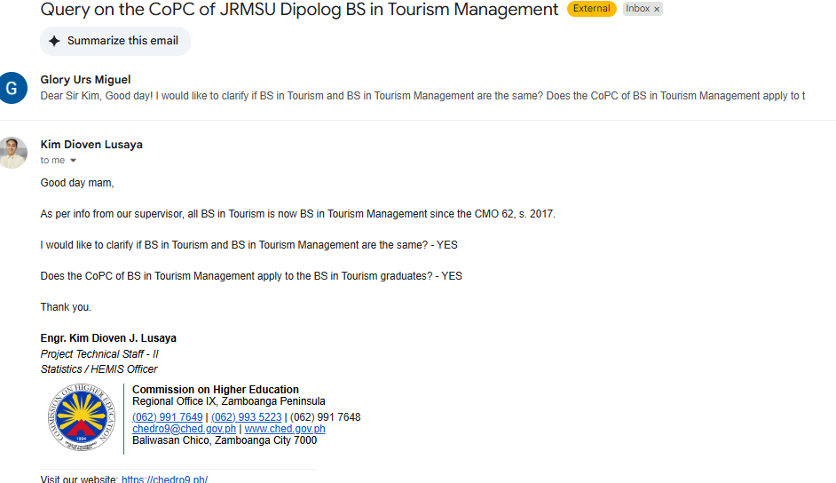
Jose Rizal Memorial State University - Dipolog Campus | Bachelor of Physical Education
Jose Rizal Memorial State University - Dipolog Campus | Bachelor of Science in Business Administration | Financial Management
Jose Rizal Memorial State University - Dipolog Campus | Bachelor of Science in Business Administration | Human Resource Management
Jose Rizal Memorial State University - Dipolog Campus | Bachelor of Science in Business Administration | Marketing Management
Jose Rizal Memorial State University - Dipolog Campus | Bachelor of Science in Criminology
Jose Rizal Memorial State University - Dipolog Campus | Bachelor of Science in Hospitality Management
Jose Rizal Memorial State University - Dipolog Campus | Bachelor of Science in Industrial Technology | Authenticity Confirmed by Mr. Kim Dioven Lusaya on 09/11/25 via email of Glory
Jose Rizal Memorial State University - Dipolog Campus | Bachelor of Science in Mathematics
can be use by graduates of BS in Tourism
Jose Rizal Memorial State University - Dipolog Campus | Bachelor of Science in Midwifery
Jose Rizal Memorial State University - Dipolog Campus | Bachelor of Science in Tourism Management
Jose Rizal Memorial State University - Dipolog Campus | Bachelor of Science in Tourism Management
Jose Rizal Memorial State University - Dipolog Campus | Bachelor of Science Mathematics
Jose Rizal Memorial State University - Dipolog Campus | Bachelor of Secondary Education | English
Jose Rizal Memorial State University - Dipolog Campus | Bachelor of Secondary Education | Filipino
Jose Rizal Memorial State University - Dipolog Campus | Bachelor of Secondary Education | Mathematics
Jose Rizal Memorial State University - Dipolog Campus | Bachelor of Secondary Education | Science
Jose Rizal Memorial State University - Dipolog Campus | Bachelor of Secondary Education | English
Jose Rizal Memorial State University - Dipolog Campus | Bachelor of Secondary Education | Filipino
Jose Rizal Memorial State University - Dipolog Campus | Bachelor of Secondary Education | Mathematics
Jose Rizal Memorial State University - Dipolog Campus | Bachelor of Secondary Education | Science
Jose Rizal Memorial State University - Katipunan Campus | Bachelor of Agricultural Technology
Jose Rizal Memorial State University - Katipunan Campus | Bachelor of Elementary Education
Jose Rizal Memorial State University - Katipunan Campus | Bachelor of Physical Education
Jose Rizal Memorial State University - Katipunan Campus | Bachelor of Science in Agri-Business
Jose Rizal Memorial State University - Katipunan Campus | Bachelor of Science in Agricultural and Biosystems Engineering
Jose Rizal Memorial State University - Katipunan Campus | Bachelor of Science in Agricultural Technology (DAT)
Jose Rizal Memorial State University - Katipunan Campus | Bachelor of Science in Agriculture
Jose Rizal Memorial State University - Katipunan Campus | Bachelor of Science in Business Administration | Human Resource Management
Jose Rizal Memorial State University - Katipunan Campus | Bachelor of Science in Computer Science
Jose Rizal Memorial State University - Katipunan Campus | Bachelor of Science in Criminology
Jose Rizal Memorial State University - Katipunan Campus | Bachelor of Science in Forestry
Jose Rizal Memorial State University - Katipunan Campus | Bachelor of Science in Forestry
Jose Rizal Memorial State University - Katipunan Campus | Bachelor of Science in Hospitality Management
Jose Rizal Memorial State University - Katipunan Campus | Bachelor of Science in Hospitality Management
Jose Rizal Memorial State University - Katipunan Campus | Bachelor of Science in Information System
Jose Rizal Memorial State University - Katipunan Campus | Bachelor of Science in Information Systems
Jose Rizal Memorial State University - Katipunan Campus | Bachelor of Secondary Education | Math and Social Studies
Jose Rizal Memorial State University - Katipunan Campus | Bachelor of Secondary Education | Science and Filipino
Jose Rizal Memorial State University - Katipunan Campus | Bachelor of Secondary Education | Filipino
Jose Rizal Memorial State University - Katipunan Campus | Bachelor of Secondary Education | Mathematics
Jose Rizal Memorial State University - Katipunan Campus | Bachelor of Secondary Education | Social Studies
Jose Rizal Memorial State University - Katipunan Campus | Bachelor of Secondary Education | Science
Jose Rizal Memorial State University - Siocon Campus | Bachelor of Elementary Education
Jose Rizal Memorial State University - Siocon Campus | Bachelor of Elementary Education
Jose Rizal Memorial State University - Siocon Campus | Bachelor of Industrial Technology | Automotive Technology
Jose Rizal Memorial State University - Siocon Campus | Bachelor of Industrial Technology | Electrical Technology
Jose Rizal Memorial State University - Siocon Campus | Bachelor of Industrial Technology | Electronics Technology
Jose Rizal Memorial State University - Siocon Campus | Bachelor of Industrial Technology | Mechanical Technology
Jose Rizal Memorial State University - Siocon Campus | Bachelor of Physical Education
Jose Rizal Memorial State University - Siocon Campus | Bachelor of Physical Education
Jose Rizal Memorial State University - Siocon Campus | Bachelor of Science in Agriculture
Jose Rizal Memorial State University - Siocon Campus | Bachelor of Science in Agriculture
Jose Rizal Memorial State University - Siocon Campus | Bachelor of Science in Computer Science
Jose Rizal Memorial State University - Siocon Campus | Bachelor of Science in Computer Science
Jose Rizal Memorial State University - Siocon Campus | Bachelor of Science in Criminology
Jose Rizal Memorial State University - Siocon Campus | Bachelor of Science in Criminology
Jose Rizal Memorial State University - Siocon Campus | Bachelor of Science in Hospitality Management
Jose Rizal Memorial State University - Siocon Campus | Bachelor of Science in Hospitality Management
Jose Rizal Memorial State University - Siocon Campus | Bachelor of Science in Information System
Jose Rizal Memorial State University - Siocon Campus | Bachelor of Science in Midwifery
Jose Rizal Memorial State University - Siocon Campus | Bachelor of Secondary Education | English
Jose Rizal Memorial State University - Siocon Campus | Bachelor of Secondary Education | Filipino
Jose Rizal Memorial State University - Siocon Campus | Bachelor of Secondary Education | Mathematics
Jose Rizal Memorial State University - Tampilisan Campus | Bachelor of Arts in English Language Studies
Jose Rizal Memorial State University - Tampilisan Campus | Bachelor of Arts in English Language Studies
Jose Rizal Memorial State University - Tampilisan Campus | Bachelor of Elementary Education
Jose Rizal Memorial State University - Tampilisan Campus | Bachelor of Elementary Education
Jose Rizal Memorial State University - Tampilisan Campus | Bachelor of Physical Education
Jose Rizal Memorial State University - Tampilisan Campus | Bachelor of Physical Education
Jose Rizal Memorial State University - Tampilisan Campus | Bachelor of Science in Agribusiness
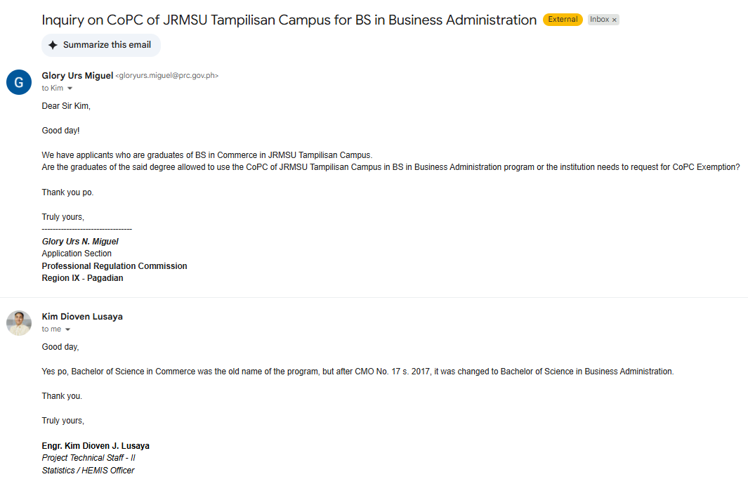
Jose Rizal Memorial State University - Tampilisan Campus | Bachelor of Science in Agribusiness
Jose Rizal Memorial State University - Tampilisan Campus | Bachelor of Science in Agricultural and Biosystems Engineering
Jose Rizal Memorial State University - Tampilisan Campus | Bachelor of Science in Agricultural Technology
Jose Rizal Memorial State University - Tampilisan Campus | Bachelor of Science in Agricultural Technology (DAT)
Jose Rizal Memorial State University - Tampilisan Campus | Bachelor of Science in Agriculture
can be use by graduates of BS in Commerce
Jose Rizal Memorial State University - Tampilisan Campus | Bachelor of Science in Agriculture (Cert. of Agri. Science)
Jose Rizal Memorial State University - Tampilisan Campus | Bachelor of Science in Business Administration | Financial Management
Jose Rizal Memorial State University - Tampilisan Campus | Bachelor of Science in Business Administration | Financial Management
Jose Rizal Memorial State University - Tampilisan Campus | Bachelor of Science in Computer Science
Jose Rizal Memorial State University - Tampilisan Campus | Bachelor of Science in Computer Science
Jose Rizal Memorial State University - Tampilisan Campus | Bachelor of Science in Criminology
Jose Rizal Memorial State University - Tampilisan Campus | Bachelor of Science in Criminology
Jose Rizal Memorial State University - Tampilisan Campus | Bachelor of Science in Forestry
Jose Rizal Memorial State University - Tampilisan Campus | Bachelor of Science in Forestry
Jose Rizal Memorial State University - Tampilisan Campus | Bachelor of Science in Hospitality Management
Jose Rizal Memorial State University - Tampilisan Campus | Bachelor of Science in Hospitality Management
Jose Rizal Memorial State University - Tampilisan Campus | Bachelor of Science in Information Systems
Jose Rizal Memorial State University - Tampilisan Campus | Bachelor of Science in Information Systems
Jose Rizal Memorial State University - Tampilisan Campus | Bachelor of Secondary Education | English
Jose Rizal Memorial State University - Tampilisan Campus | Bachelor of Secondary Education | Filipino
Jose Rizal Memorial State University - Tampilisan Campus | Bachelor of Secondary Education | Mathematics
Jose Rizal Memorial State University - Tampilisan Campus | Bachelor of Secondary Education | Social Studies
Mindanao State University - Buug | Bachelor in Elementary Education | General Education
Mindanao State University - Buug | Bachelor of Arts in English Language Studies
Mindanao State University - Buug | Bachelor of Public Administration
Mindanao State University - Buug | Bachelor of Science in Agriculture | Farming System
Mindanao State University - Buug | Bachelor of Science in Agriculture | Agronomy
Mindanao State University - Buug | Bachelor of Science in Agriculture | Animal Science
Mindanao State University - Buug | Bachelor of Science in Environmental Science
Mindanao State University - Buug | Bachelor of Science in Fisheries
Mindanao State University - Buug | Bachelor of Science in Forestry
Mindanao State University - Buug | Bachelor of Science in Forestry | Agroforestry
Mindanao State University - Buug | Bachelor of Science in Hospitality Management
Mindanao State University - Buug | Bachelor of Secondary Education | English
Mindanao State University - Buug | Bachelor of Secondary Education | Filipino
Mindanao State University - Buug | Bachelor of Secondary Education | Mathematics
Mindanao State University - Buug | Bachelor of Secondary Education | Science
Mindanao State University - Buug | Batsilyer ng Sining sa Filipino
Sulu State College | Bachelor of Science in Criminology
Sulu State College | Bachelor of Arts in History
Sulu State College | Bachelor of Science in Agriculture | Crop Science, Animal Science
Sulu State College | Bachelor of Science in Computer Science
Sulu State College | Bachelor of Science in Nursing
Sulu State College | Bachelor Of Arts (Ab) – Islamic Studies Major Political Economy
Sulu State College | Bachelor Of Arts (Ab) In English Language Studies
Sulu State College | Bachelor of Arts in English
Sulu State College | Bachelor of Arts in English Language Studies
Sulu State College | Bachelor of Arts in Islamic Studies | Political Economy
Sulu State College | Bachelor of Arts in Social Works
Sulu State College | Bachelor of Early Childhood Education
Sulu State College | Bachelor of Early Childhood Education
Sulu State College | Bachelor of Science in Biology
Sulu State College | Bachelor of Science in Business Administration | Human Resource Management
Sulu State College | Bachelor Of Science In Business Administration Major In Human Resource Management
Sulu State College | Bachelor Of Science In Business Administration Major In Marketing Management
Sulu State College | Bachelor of Science in Computer Engineering
Sulu State College | Bachelor of Science in Hospitality Managment
Sulu State College | Bachelor of Science in Information System
Sulu State College | Bachelor of Science in Information Technology
Sulu State College | Bachelor Of Science In Public Administration
Sulu State College | Bachelor Of Science In Social Work (Bssw)
Sulu State College | Bachelor of Science in Tourism
Sulu State College | Bachelor Of Science In Tourism Management
Sulu State College | Bachelor of Secondary Education | Major in Mathematics
Sulu State College | Bachelor of Secondary Education | Major in English
Sulu State College | Bachelor of Secondary Education | Major in Filipino
Sulu State College | Bachelor of Secondary Education | Major in Science
Sulu State College | Bachelor of Secondary Education | Major in Social Studies
Sulu State College | Bachelor Of Technology And Livelihood Education (Btled) Major In Home Economics
Sulu State College | Bachelor of Technology Livelihood Education | HOME ECONOMICS.
Sulu State College | Master of Arts in Nursing
Tawi-Tawi Regional Agricultural Colleges | Bachelor of Science in Agricultural Business
Tawi-Tawi Regional Agricultural Colleges | Bachelor of Science in Agriculture | Crop Science
Tawi-Tawi Regional Agricultural Colleges | Bachelor of Science in Agriculture | Animal Science
Tawi-Tawi Regional Agricultural Colleges | Bachelor of Science in Agriculture | Soil Science
Tawi-Tawi Regional Agricultural Colleges | Bachelor of Science in Agriculture | Agricultural Economics
Tawi-Tawi Regional Agricultural Colleges | Bachelor of Science in Criminology
Tawi-Tawi Regional Agricultural Colleges | Bachelor of Science in Forestry
Tawi-Tawi Regional Agricultural Colleges | Bachelor of Science in Hospitality Management
Tawi-Tawi Regional Agricultural Colleges | Bachelor of Science in Information System
Tawi-Tawi Regional Agricultural Colleges | Bachelor of Science in Information Technology
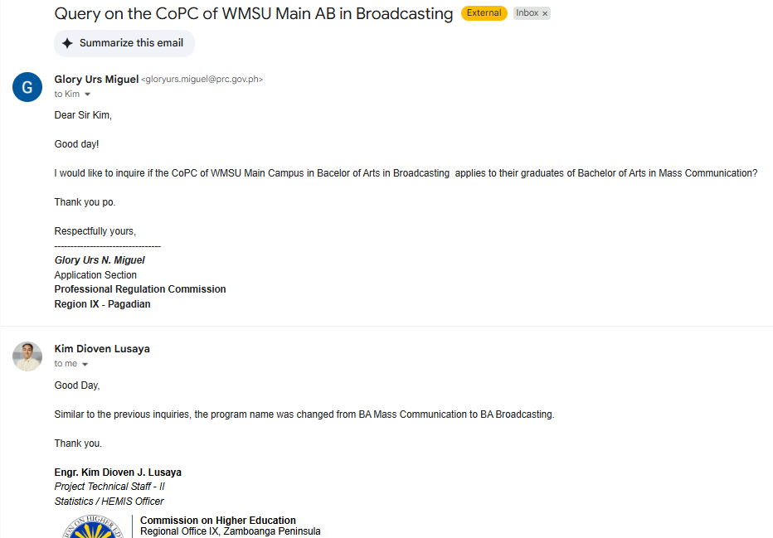
Tawi-Tawi Regional Agricultural Colleges | Bachelor of Science in Social Work
Tawi-Tawi Regional Agricultural Colleges | Bachelor of Technology in Livelihood Education | Home Economics
Tawi-Tawi Regional Agricultural Colleges | Bachelor of Technology in Vocational and Technical Education | Agricultural Crops Production
Tawi-Tawi Regional Agricultural Colleges | Bachelor of Technology in Vocational and Technical Education | Animal Production
Tawi-Tawi Regional Agricultural Colleges | Bachelor of Technology in Vocational and Technical Education | Food and Service Management
can be use by graduates of BS in Mass Communication
Western Mindanao State University | Bachelor of Arts in Asian Studies | Southeast and Asian Studies
Western Mindanao State University | Bachelor of Arts in Broadcasting
Western Mindanao State University | Bachelor of Arts in English Language Studies
Western Mindanao State University | Bachelor of Arts in History
Western Mindanao State University | Bachelor of Arts in Islamic Studies
Western Mindanao State University | Bachelor of Arts in Journalism
Western Mindanao State University | Bachelor of Arts in Political Science
Western Mindanao State University | Bachelor of Culture and Arts Education
Western Mindanao State University | Bachelor of Early Childhood Education
Western Mindanao State University | Bachelor of Elementary Education
Western Mindanao State University | Bachelor of Physical Education
Western Mindanao State University | Bachelor of Public Administration
Western Mindanao State University | Bachelor of Science in Accountancy
Western Mindanao State University | Bachelor of Science in Agribusiness
Western Mindanao State University | Bachelor of Science in Agricultural and Bio System Engineering
Western Mindanao State University | Bachelor of Science in Agricultural Technology
Western Mindanao State University | Bachelor of Science in Agriculture | Animal Science and Crop Science
Western Mindanao State University | Bachelor of Science in Agroforestry
Western Mindanao State University | Bachelor of Science in Architecture
Western Mindanao State University | Bachelor of Science in Biology | Ecology, Animal Biology, Medical Biology
Western Mindanao State University | Bachelor of Science in Chemistry
Western Mindanao State University | Bachelor of Science in Civil Engineering
Western Mindanao State University | Bachelor of Science in Community Development
Western Mindanao State University | Bachelor of Science in Computer Engineering
Western Mindanao State University | Bachelor of Science in Computer Science
Western Mindanao State University | Bachelor of Science in Criminology
Western Mindanao State University | Bachelor of Science in Economics
Western Mindanao State University | Bachelor of Science in Electronics Engineering
Western Mindanao State University | Bachelor of Science in Environmental Engineering
Western Mindanao State University | Bachelor of Science in Environmental Science
Western Mindanao State University | Bachelor of Science in Exercise and Sports Science
Western Mindanao State University | Bachelor of Science in Food Technology
Western Mindanao State University | Bachelor of Science in Forestry
Western Mindanao State University | Bachelor of Science in Geodetic Engineering
Western Mindanao State University | Bachelor of Science in Home Economics
Western Mindanao State University | Bachelor of Science in Hospital Management | Hotel Administration
Western Mindanao State University | Bachelor of Science in Industrial Enginerring
Western Mindanao State University | Bachelor of Science in Information Technology
Western Mindanao State University | Bachelor of Science in Mathematics
Western Mindanao State University | Bachelor of Science in Mechanical Engineering
Western Mindanao State University | Bachelor of Science in Nursing
Western Mindanao State University | Bachelor of Science in Nutrition and Dietetics
Western Mindanao State University | Bachelor of Science in Physics
Western Mindanao State University | Bachelor of Science in Psychology
Western Mindanao State University | Bachelor of Science in Sanitary Engineering
Western Mindanao State University | Bachelor of Science in Social Work
Western Mindanao State University | Bachelor of Science in Statistics
Western Mindanao State University | Bachelor of Sciene in Electrical Engineering
Western Mindanao State University | Bachelor of Secondary Education | Math, Science, English, Filipino, Social Studies, MAPEH and Values Education
Western Mindanao State University | Bachelor of Special Needs Education | Early Childhood Education and Elementary School Teaching
Western Mindanao State University | Batsilyer ng Sining sa Filipino
Western Mindanao State University | Doctor of Education | Educational Administration
Western Mindanao State University | Professional Science Masters (PSM) in Food Processing and Management
Western Mindanao State University | Master in Information Technology
Western Mindanao State University | Master in PhysIcal Education | Sports Fitness and Sports and Dance Education
Western Mindanao State University | Master of Arts in Education | Educational Administration
Western Mindanao State University | Master of Arts in Education | Special Education
Western Mindanao State University | Master of Arts in Education | Early Childhood Study amd Development
Western Mindanao State University - Alicia ESU | Bachelor in Elementary Education
Western Mindanao State University - Alicia ESU | Batsilyer ng Sining sa Filipino
Western Mindanao State University - Alicia ESU | Associate in Computer Technology | Application Development
Western Mindanao State University - Aurora ESU | Bachelor in Elementary Education
Western Mindanao State University - Curuan ESU | Batsilyer ng Sining sa Filipino
Western Mindanao State University - Curuan ESU | Bachelor in Elementary Education
Western Mindanao State University - Curuan ESU | Batsilyer ng Sining sa Filipino
Western Mindanao State University - Curuan ESU | Associate in Computer Technology | Application Development
Western Mindanao State University - Diplahan ESU | Bachelor in Elementary Education
Western Mindanao State University - Diplahan ESU | Associate in Computer Technology | Networking
Western Mindanao State University - Imelda ESU | Bachelor in Elementary Education
Western Mindanao State University - Imelda ESU | Bachelor of Arts in Political Science
Western Mindanao State University - Ipil ESU | Bachelor in Elementary Education
Western Mindanao State University - Ipil ESU | Bachelor in Secondary Education | English
Western Mindanao State University - Ipil ESU | Bachelor in Secondary Education | Filipino
Western Mindanao State University - Ipil ESU | Bachelor in Secondary Education | Mathematics
Western Mindanao State University - Ipil ESU | Bachelor in Secondary Education | Bio Science
Western Mindanao State University - Ipil ESU | Bachelor of Science in Computer Science
Western Mindanao State University - Ipil ESU | Associate in Computer Technology | Application Development
Western Mindanao State University - Mabuhay ESU | Bachelor in Elementary Education
Western Mindanao State University - Mabuhay ESU | Bachelor in Secondary Education | Mathematics
Western Mindanao State University - Mabuhay ESU | Associate in Computer Technology | Networking
Western Mindanao State University - Malangas Campus | Bachelor in Elementary Education
Western Mindanao State University - Malangas Campus | Bachelor of Science in Criminology
Western Mindanao State University - Malangas ESU | Associate in Computer Technology | Application Development
Western Mindanao State University - Molave ESU | Bachelor in Elementary Education
Western Mindanao State University - Molave ESU | Bachelor in Secondary Education | English
Western Mindanao State University - Molave ESU | Bachelor in Secondary Education | Filipino
Western Mindanao State University - Molave ESU | Bachelor in Secondary Education | MAPEH
Western Mindanao State University - Molave ESU | Bachelor in Secondary Education | Social Studies
Western Mindanao State University - Naga ESU | Bachelor in Elementary Education
Western Mindanao State University - Naga ESU | Bachelor in Secondary Education | English
Western Mindanao State University - Naga ESU | Bachelor in Secondary Education | Filipino
Western Mindanao State University - Naga ESU | Associate in Computer Technology | Application Development
Western Mindanao State University - Olutanga ESU | Bachelor in Elementary Education
Western Mindanao State University - Olutanga ESU | Associate in Computer Technology | Application Development
Western Mindanao State University - Pagadian ESU | Bachelor in Elementary Education
Western Mindanao State University - Pagadian ESU | Bachelor in Secondary Education | English
Western Mindanao State University - Pagadian ESU | Bachelor in Secondary Education | General Science
Western Mindanao State University - Pagadian ESU | Bachelor in Secondary Education | MAPEH
Western Mindanao State University - Pagadian ESU | Bachelor of Arts in Political Science
Western Mindanao State University - Pagadian ESU | Bachelor of Science in Computer Science
Western Mindanao State University - Pagadian ESU | Bachelor of Science in Criminology
Western Mindanao State University - Pagadian ESU | Bachelor of Science in Social Work
Western Mindanao State University - Pagadian ESU | Associate in Computer Technology | Application Development
Western Mindanao State University - Siay ESU | Bachelor in Elementary Education
Western Mindanao State University - Siay ESU | Bachelor of Arts in Political Science
Western Mindanao State University - Siay ESU | Bachelor of Science in Computer Science
Western Mindanao State University - Siay ESU | Associate in Computer Technology | Application Development
Western Mindanao State University - Siay ESU | Batsilyer ng Sining sa Filipino
Western Mindanao State University - Tungawan ESU | Bachelor in Elementary Education
Western Mindanao State University - Tungawan ESU | Associate in Computer Technology | Application Development
Zamboanga Peninsula Polytechic State University | Bachelor in Technical Vocational Education | Automotive Technology
Zamboanga Peninsula Polytechic State University | Bachelor in Technical Vocational Education | Civil and Construction Technology
Zamboanga Peninsula Polytechic State University | Bachelor in Technical Vocational Education | Drafting Technology
Zamboanga Peninsula Polytechic State University | Bachelor in Technical Vocational Education | Electrical Technology
Zamboanga Peninsula Polytechic State University | Bachelor in Technical Vocational Education | ElectronicsTechnology
Zamboanga Peninsula Polytechic State University | Bachelor in Technical Vocational Education | Food Service Technology
Zamboanga Peninsula Polytechic State University | Bachelor in Technical Vocational Education | Heating , Ventilation and Air-Conditioning Technology
Zamboanga Peninsula Polytechic State University | Bachelor in Technical Vocational Education | Mechanical Technology
Zamboanga Peninsula Polytechic State University | Bachelor in Technical Vocational Education | Welding and Fabrication Technlogy
Zamboanga Peninsula Polytechic State University | Bachelor of Elementary Education (BEED)
Zamboanga Peninsula Polytechic State University | Bachelor of Fine Arts (BFA) | Industrial Design
Zamboanga Peninsula Polytechic State University | Bachelor of Physical Education
Zamboanga Peninsula Polytechic State University | Bachelor of Science in Automotive Technology (BSAT)
Zamboanga Peninsula Polytechic State University | Bachelor of Science in Automotive Technology-kabasalan
Zamboanga Peninsula Polytechic State University | Bachelor of Science in Automotive Technology-Vitali
Zamboanga Peninsula Polytechic State University | Bachelor of Science in Civil Engineering (BSCE)
Zamboanga Peninsula Polytechic State University | Bachelor of Science in Computer Technology (BSCOMTECT)
Zamboanga Peninsula Polytechic State University | Bachelor of Science in Computer Technology-siay
Zamboanga Peninsula Polytechic State University | Bachelor of Science in Computer Technology-vitali
Zamboanga Peninsula Polytechic State University | Bachelor of Science in Development Communication (BS DevCom)
Zamboanga Peninsula Polytechic State University | Bachelor of Science in Electrical Technology (BSET)
Zamboanga Peninsula Polytechic State University | Bachelor of Science in Electrical Technology-Kabasalan
Zamboanga Peninsula Polytechic State University | Bachelor of Science in Electrical Technology-Siay
Zamboanga Peninsula Polytechic State University | Bachelor of Science in Electrical Technology-Vitali
Zamboanga Peninsula Polytechic State University | Bachelor of Science in Electronics Technology (BSELEXT)
Zamboanga Peninsula Polytechic State University | Bachelor of Science in Entrepreneurship (BSENTREP)
Zamboanga Peninsula Polytechic State University | Bachelor of Science in Exercise & Sports Science | with specification in Fitness & Sports Coaching and specification in Fitness & Sports Management
Zamboanga Peninsula Polytechic State University | Bachelor of Science in Fine Arts | Industrial Design
Zamboanga Peninsula Polytechic State University | Bachelor of Science in Hospitality Management
Zamboanga Peninsula Polytechic State University | Bachelor of Science in Hospitality Management (BSHRM)
Zamboanga Peninsula Polytechic State University | Bachelor of Science in Industrial Technology
Zamboanga Peninsula Polytechic State University | Bachelor of Science in Industrial Technology | Food Technology
Zamboanga Peninsula Polytechic State University | Bachelor of Science in Industrial Technology | Food Technology
Zamboanga Peninsula Polytechic State University | Bachelor of Science in Industrial Technology | Garments and Textile Technology
Zamboanga Peninsula Polytechic State University | Bachelor of Science in Industrial Technology | Mechatronics Technology
Zamboanga Peninsula Polytechic State University | Bachelor of Science in Information System
Zamboanga Peninsula Polytechic State University | Bachelor of Science in Information Technology (BSINFOTECH)
Zamboanga Peninsula Polytechic State University | Bachelor of Science in Marine Engineering
Zamboanga Peninsula Polytechic State University | Bachelor of Science In Mechanical Technology
Zamboanga Peninsula Polytechic State University | Bachelor of Science in Mechanical Technology (BSMT)
Zamboanga Peninsula Polytechic State University | Bachelor of Science in Refrigeration and Air-conditioning Technology
Zamboanga Peninsula Polytechic State University | Bachelor of Science in Refrigeration and Air-conditioning Technology (BSRACT)
Zamboanga Peninsula Polytechic State University | Bachelor of Technical Vocational Teacher Education (BTVTED) | Automotive Technology
Zamboanga Peninsula Polytechic State University | Bachelor of Technical Vocational Teacher Education (BTVTED) | Civil and Construction Technology
Zamboanga Peninsula Polytechic State University | Bachelor of Technical Vocational Teacher Education (BTVTED) | Drafting Technology
Zamboanga Peninsula Polytechic State University | Bachelor of Technical Vocational Teacher Education (BTVTED) | Electrical Technology
Zamboanga Peninsula Polytechic State University | Bachelor of Technical Vocational Teacher Education (BTVTED) | Electronics Technology
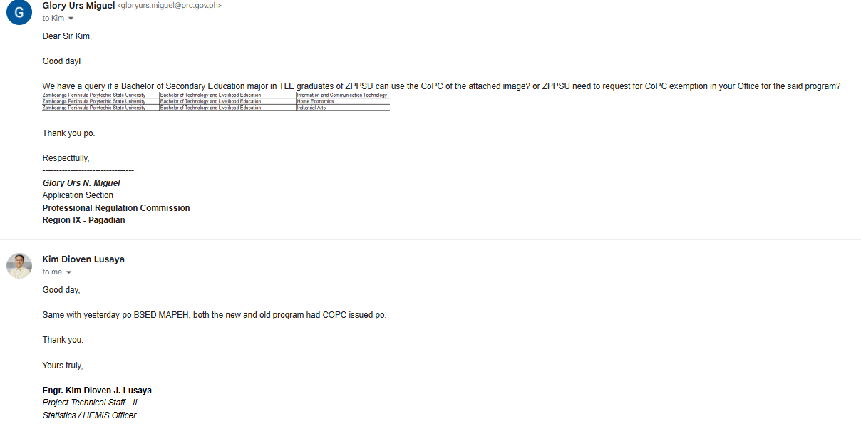
Zamboanga Peninsula Polytechic State University | Bachelor of Technical Vocational Teacher Education (BTVTED) | Food Service Management
Zamboanga Peninsula Polytechic State University | Bachelor of Technical Vocational Teacher Education (BTVTED) | Heating, Ventilating and Air-Conditiong
Zamboanga Peninsula Polytechic State University | Bachelor of Technical Vocational Teacher Education (BTVTED) | Mechanical Technology
Zamboanga Peninsula Polytechic State University | Bachelor of Technical Vocational Teacher Education (BTVTED) | Welding ad Fabrication Technology
Zamboanga Peninsula Polytechic State University | Bachelor Of Technical Vocational Teaching Education -Siay | Mechanical Technology, Electrical Technology, Food And Service Management
Zamboanga Peninsula Polytechic State University | Bachelor Of Technical Vocational Teaching Education-Kabasalan | Automotive Technology, Electrical Energy, Food And Service Management, Garments, Fasion And Design Mechanical Technology
Zamboanga Peninsula Polytechic State University | Bachelor of Technology and Livelihood Education | Information and Communication Technology
can be use by graduates of BSED major TLE
Zamboanga Peninsula Polytechic State University | Bachelor of Technology and Livelihood Education | Home Economics
Zamboanga Peninsula Polytechic State University | Bachelor of Technology and Livelihood Education | Industrial Arts
Zamboanga Peninsula Polytechic State University | Bachelor Of Technology And Livelihood Education Major In Information And Communication Technology - Siay | Home Economics
Zamboanga Peninsula Polytechic State University | Bachelor of Technology And Livelihood Education -Vitali | Home Economics
Zamboanga Peninsula Polytechic State University | Batsilyer ng Sining sa Filipino (BSF)
Zamboanga Peninsula Polytechic State University | Doctor of Education (Ed.D) | Educational Administration and Supervision
Zamboanga Peninsula Polytechic State University | Doctor of Education (Ed.D) | Curriculum Development
Zamboanga Peninsula Polytechic State University | Doctor of Education (Ed.D) | Learning and Instruction
Zamboanga Peninsula Polytechic State University | Doctor of PhIlosophy | Technologcal Management
Zamboanga Peninsula Polytechic State University | Doctor of Technology Education
Zamboanga Peninsula Polytechic State University | Master of Arts in Education | Educational Administration & Supervision
Zamboanga Peninsula Polytechic State University | Master of Arts in Education | Educational Administration and Supervision
Zamboanga Peninsula Polytechic State University | Master of Arts in Teaching Vocational Education (MATVE)
Zamboanga Peninsula Polytechic State University | Master of Technology Education
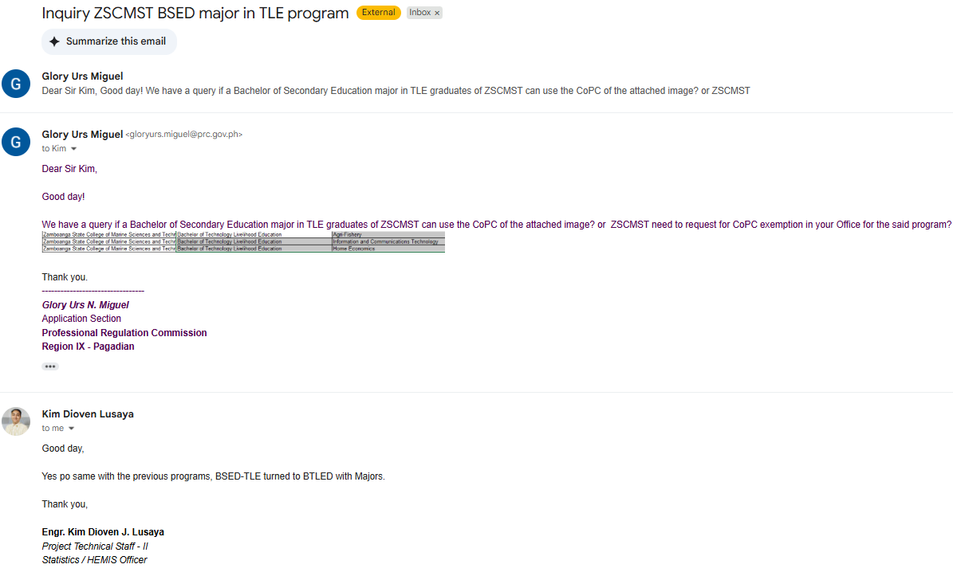
Zamboanga Peninsula Polytechic State University | Master of Technology Education
Zamboanga State College of Marine Sciences and Technology | Bachelor of Science in Aquaculture
Zamboanga State College of Marine Sciences and Technology | Bachelor of Science in Environmental Science
Zamboanga State College of Marine Sciences and Technology | Bachelor of Science in Fisheries | Post-Harvest Technology
Zamboanga State College of Marine Sciences and Technology | Bachelor of Science in Food Technology
Zamboanga State College of Marine Sciences and Technology | Bachelor of Science in Hospitality Management
Zamboanga State College of Marine Sciences and Technology | Bachelor of Science in Marine Biology
Zamboanga State College of Marine Sciences and Technology | Bachelor of Science in Marine Fisheries Technology | can be used by BS in Marine Science & Technology
Zamboanga State College of Marine Sciences and Technology | Bachelor of Science in Tourism Management
Zamboanga State College of Marine Sciences and Technology | Bachelor of Secondary Education | Sciences
Zamboanga State College of Marine Sciences and Technology | Bachelor of Secondary Education | Mathematics
Zamboanga State College of Marine Sciences and Technology | Bachelor of Secondary Education | Filipino
can be used by graduates of BSED major in TLE
Zamboanga State College of Marine Sciences and Technology | Bachelor of Secondary Education | English
Zamboanga State College of Marine Sciences and Technology | Bachelor of Technology Livelihood Education | Agri-Fishery
Zamboanga State College of Marine Sciences and Technology | Bachelor of Technology Livelihood Education | Information and Communications Technology
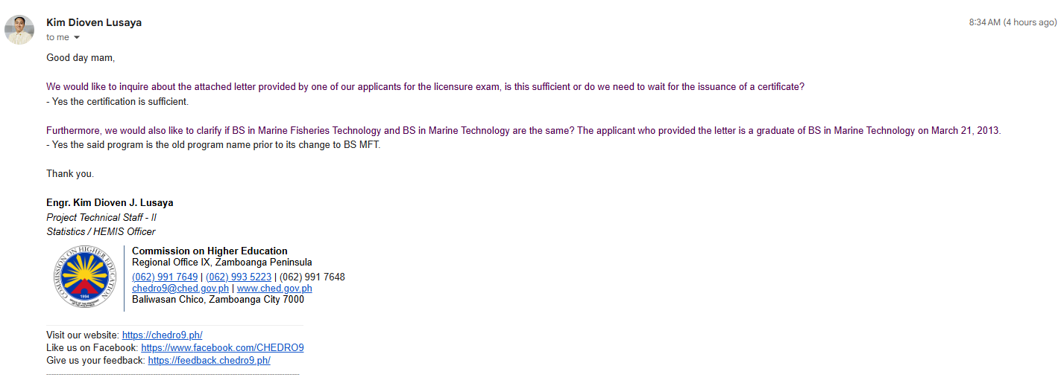
Zamboanga State College of Marine Sciences and Technology | Bachelor of Technology Livelihood Education | Home Economics
Zamboanga State College of Marine Sciences and Technology | Master in Public Management
Zamboanga State College of Marine Sciences and Technology | Master of Arts in Home Economics

